Sheet2
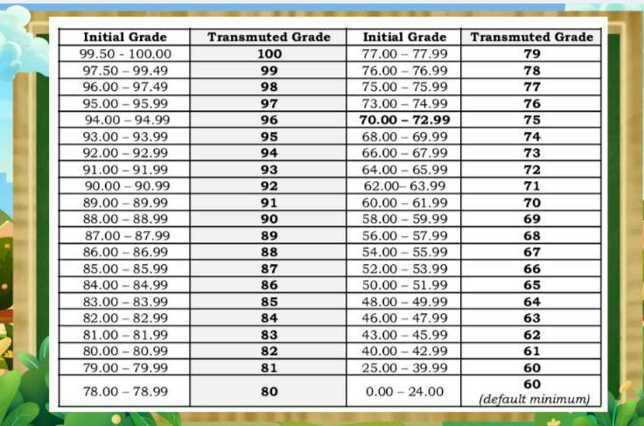
Initial Grade | Transmuted Grade
99.50 - 100.00 | 100
97.50 - 99.49 | 99
96.00 - 97.49 | 98
95.00 - 95.99 | 97
94.00 - 94.99 | 96
93.00 - 93.99 | 95
92.00 - 92.99 | 94
91.00 - 91.99 | 93
90.00 - 90.99 | 92
89.00 - 89.99 | 91
88.00 - 88.99 | 90
87.00 - 87.99 | 89
86.00 - 86.99 | 88
85.00 - 85.99 | 87
84.00 - 84.99 | 86
83.00 - 83.99 | 85
82.00 - 82.99 | 84
81.00 - 81.99 | 83
80.00 - 80.99 | 82
79.00 - 79.99 | 81
78.00 - 78.99 | 80
77.00 - 77.99 | 79
76.00 - 76.99 | 78
75.00 - 75.99 | 77
73.00 - 74.99 | 76
70.00 - 72.99 | 75
68.00 - 69.99 | 74
66.00 - 67.99 | 73
64.00 - 65.99 | 72
62.00 - 63.99 | 71
60.00 - 61.99 | 70
58.00 - 59.99 | 69
56.00 - 57.99 | 68
54.00 - 55.99 | 67
52.00 - 53.99 | 66
50.00 - 51.99 | 65
48.00 - 49.99 | 64
46.00 - 47.99 | 63
43.00 - 45.99 | 62
40.00 - 42.99 | 61
25.00 - 39.99 | 60
0.00 - 24.00 | 60 (default minimum)

DO NOT DELETE
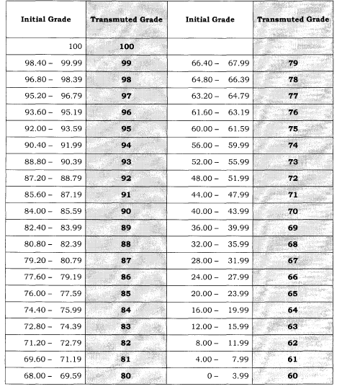
SUBJECT | WRITTEN WORK | PERFORMANCE TASKS | Q. ASSESS-MENT |  | TRANSMUTATION TABLE
FILIPINO | 30% | 50% | 20% | 100% | 0 | - | 3.99 | 60
ENGLISH | 40% | 40% | 20% | 100% | 4 | - | 7.99 | 61
MATHEMATICS | 20% | 60% | 20% | 100% | 8 | - | 11.99 | 62
SCIENCE |  |  |  |  | 12 | - | 15.99 | 63 |  | WW | PT | QA
ARALING PANLIPUNAN |  |  |  |  | 16 | - | 19.99 | 64 | FILIPINO | 0.3 | 0.5 | 0.2
EDUKASYON SA PAGPAPAKATAO |  |  |  |  | 20 | - | 23.99 | 65 | ENGLISH | 0.3 | 0.5 | 0.2
EDUKASYONG PANTAHANAN AT PANGKABUHAYAN |  |  |  |  | 24 | - | 27.99 | 66 | MATHEMATICS | 0.4 | 0.4 | 0.2
MOTHER TONGUE |  | FIRST |  |  | 28 | - | 31.99 | 67 | SCIENCE | 0.4 | 0.4 | 0.2
 |  | SECOND |  |  | 32 | - | 35.99 | 68 | ARALING PANLIPUNAN | 0.3 | 0.5 | 0.2
 |  | THIRD |  |  | 36 | - | 39.99 | 69 | EDUKASYON SA PAGPAPAKATAO | 0.3 | 0.5 | 0.2
 |  | FOURTH |  |  | 40 | - | 43.99 | 70 | EDUKASYONG PANTAHANAN AT PANGKABUHAYAN | 0.2 | 0.6 | 0.2
 |  |  |  |  | 44 | - | 47.99 | 71 | MOTHER TONGUE | 0.3 | 0.5 | 0.2
 |  |  |  |  | 48 | - | 51.99 | 72
 |  |  |  |  | 52 | - | 55.99 | 73 | FILIPINOENGLISHMATHEMATICSSCIENCEARALING PANLIPUNANEDUKASYON SA PAGPAPAKATAOEDUKASYONG PANTAHANAN AT PANGKABUHAYANMOTHER TONGUE
 |  |  |  |  | 56 | - | 59.99 | 74 | FILIPINO,ENGLISH,MATHEMATICS,SCIENCE,ARALING PANLIPUNAN,EDUKASYON SA PAGPAPAKATAO,EDUKASYONG PANTAHANAN AT PANGKABUHAYAN,MOTHER TONGUE
 |  |  |  |  | 60 | - | 61.59 | 75
 |  |  |  |  | 61.6 | - | 63.19 | 76
 |  |  |  |  | 63.2 | - | 64.79 | 77
 |  |  |  |  | 64.8 | - | 66.39 | 78
 |  |  |  |  | 66.4 | - | 67.99 | 79
 |  |  |  |  | 68 | - | 69.59 | 80
 |  |  |  |  | 69.6 | - | 71.19 | 81
 |  |  |  |  | 71.2 | - | 72.79 | 82
 |  |  |  |  | 72.8 | - | 74.39 | 83
 |  |  |  |  | 74.4 | - | 75.99 | 84
 |  |  |  |  | 76 | - | 77.59 | 85
 |  |  |  |  | 77.6 | - | 79.19 | 86
 |  |  |  |  | 79.2 | - | 80.79 | 87
 |  |  |  |  | 80.8 | - | 82.39 | 88
 |  |  |  |  | 82.4 | - | 83.99 | 89
 |  |  |  |  | 84 | - | 85.59 | 90
 |  |  |  |  | 85.6 | - | 87.19 | 91
 |  |  |  |  | 87.2 | - | 88.79 | 92
 |  |  |  |  | 88.8 | - | 90.39 | 93
 |  |  |  |  | 90.4 | - | 91.99 | 94
 |  |  |  |  | 92 | - | 93.59 | 95
 |  |  |  |  | 93.6 | - | 95.19 | 96
 |  |  |  |  | 95.2 | - | 96.79 | 97
 |  |  |  |  | 96.8 | - | 98.39 | 98
 |  |  |  |  | 98.4 | - | 99.99 | 99
 |  |  |  |  | 100 | - |  | 100

